Scatter Plots
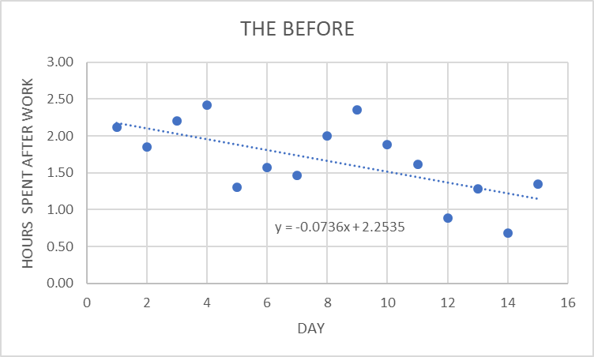

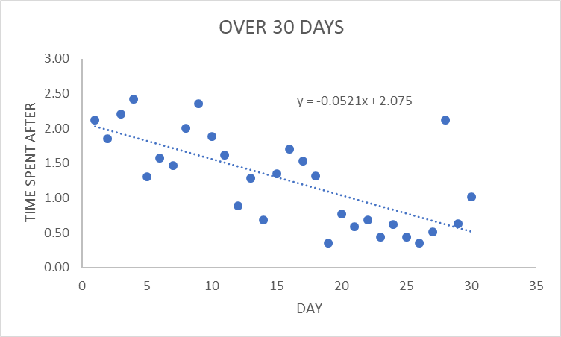

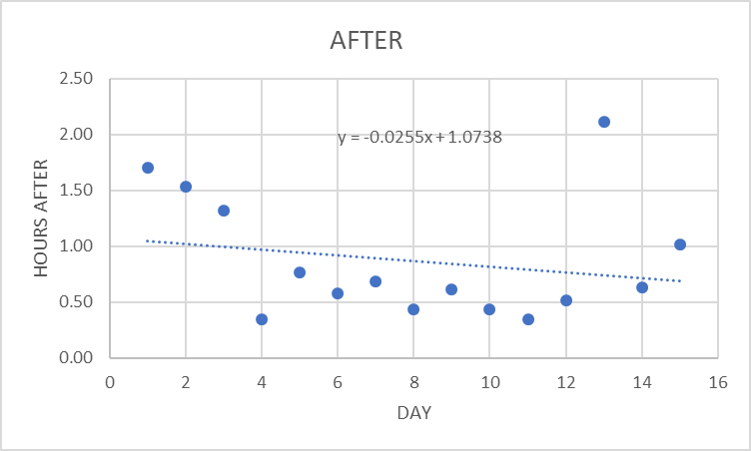

IMR
Before
Days | Minutes Work Past 5 | in hours | mR | mRbar | UCL | LCL |  | x | xbar | UCL | LCL
1 | 127 | 2.12 |  | 0.45238095238 | 1.4792857143 | 0 |  | 2.12 | 1.66 | 2.8677777778 | 0.46111111111
2 | 111 | 1.85 | 0.26666666667 | 0.45238095238 | 1.4792857143 | 0 |  | 1.85 | 1.66 | 2.8677777778 | 0.46111111111
3 | 132 | 2.20 | 0.35 | 0.45238095238 | 1.4792857143 | 0 |  | 2.20 | 1.66 | 2.8677777778 | 0.46111111111
Before Moving Range
 | mR | mRbar | UCL | LCL
 |  | 0.45238095238 | 1.4792857143 | 0
 | 0.26666666667 | 0.45238095238 | 1.4792857143 | 0
 | 0.35 | 0.45238095238 | 1.4792857143 | 0
 | 0.21666666667 | 0.45238095238 | 1.4792857143 | 0
 | 1.1166666667 | 0.45238095238 | 1.4792857143 | 0
 | 0.26666666667 | 0.45238095238 | 1.4792857143 | 0
 | 0.1 | 0.45238095238 | 1.4792857143 | 0
 | 0.53333333333 | 0.45238095238 | 1.4792857143 | 0
 | 0.35 | 0.45238095238 | 1.4792857143 | 0
 | 0.46666666667 | 0.45238095238 | 1.4792857143 | 0
 | 0.26666666667 | 0.45238095238 | 1.4792857143 | 0
 | 0.73333333333 | 0.45238095238 | 1.4792857143 | 0
 | 0.4 | 0.45238095238 | 1.4792857143 | 0
 | 0.6 | 0.45238095238 | 1.4792857143 | 0
 | 0.66666666667 | 0.45238095238 | 1.4792857143 | 0
Before Individual Chart
4 | 145 | 2.42 | 0.21666666667 | 0.45238095238 | 1.4792857143 | 0 |  | 2.42 | 1.66 | 2.8677777778 | 0.46111111111
5 | 78 | 1.30 | 1.1166666667 | 0.45238095238 | 1.4792857143 | 0 |  | 1.30 | 1.66 | 2.8677777778 | 0.46111111111
6 | 94 | 1.57 | 0.26666666667 | 0.45238095238 | 1.4792857143 | 0 |  | 1.57 | 1.66 | 2.8677777778 | 0.46111111111
7 | 88 | 1.47 | 0.1 | 0.45238095238 | 1.4792857143 | 0 |  | 1.47 | 1.66 | 2.8677777778 | 0.46111111111
8 | 120 | 2.00 | 0.53333333333 | 0.45238095238 | 1.4792857143 | 0 |  | 2.00 | 1.66 | 2.8677777778 | 0.46111111111
9 | 141 | 2.35 | 0.35 | 0.45238095238 | 1.4792857143 | 0 |  | 2.35 | 1.66 | 2.8677777778 | 0.46111111111
10 | 113 | 1.88 | 0.46666666667 | 0.45238095238 | 1.4792857143 | 0 |  | 1.88 | 1.66 | 2.8677777778 | 0.46111111111
11 | 97 | 1.62 | 0.26666666667 | 0.45238095238 | 1.4792857143 | 0 |  | 1.62 | 1.66 | 2.8677777778 | 0.46111111111
12 | 53 | 0.88 | 0.73333333333 | 0.45238095238 | 1.4792857143 | 0 |  | 0.88 | 1.66 | 2.8677777778 | 0.46111111111
13 | 77 | 1.28 | 0.4 | 0.45238095238 | 1.4792857143 | 0 |  | 1.28 | 1.66 | 2.8677777778 | 0.46111111111
14 | 41 | 0.68 | 0.6 | 0.45238095238 | 1.4792857143 | 0 |  | 0.68 | 1.66 | 2.8677777778 | 0.46111111111
15 | 81 | 1.35 | 0.66666666667 | 0.45238095238 | 1.4792857143 | 0 |  | 1.35 | 1.66 | 2.8677777778 | 0.46111111111
 |  | mRbar | 0.45238095238 |  |  |  | Xbar | 1.66
 |  | UCL | d4=3.27 | 1.4792857143 |  |  | UCL | xbar+2.66*mRbar |  | 2.8677777778
 |  | LCL | d3=0 | 0 |  |  | LCL | xbar-2.66*mRbar |  | 0.46111111111
After
Day | Minutes Worked after | in hours | mR | mRbar | UCL | LCL |  | x | xbar | UCL | LCL
1 | 102 | 1.70 |  | 0.45595238095 | 1.4909642857 | 0 |  | 1.70 | 0.87 | 2.0828333333 | -0.34283333333
After Moving Range
 | mR | mRbar | UCL | LCL
 |  | 0.45595238095 | 1.4909642857 | 0
 | 0.16666666667 | 0.45595238095 | 1.4909642857 | 0
 | 0.21666666667 | 0.45595238095 | 1.4909642857 | 0
 | 0.96666666667 | 0.45595238095 | 1.4909642857 | 0
 | 0.41666666667 | 0.45595238095 | 1.4909642857 | 0
 | 0.18333333333 | 0.45595238095 | 1.4909642857 | 0
 | 0.1 | 0.45595238095 | 1.4909642857 | 0
 | 0.25 | 0.45595238095 | 1.4909642857 | 0
 | 0.18333333333 | 0.45595238095 | 1.4909642857 | 0
 | 0.18333333333 | 0.45595238095 | 1.4909642857 | 0
 | 0.083333333333 | 0.45595238095 | 1.4909642857 | 0
 | 0.16666666667 | 0.45595238095 | 1.4909642857 | 0
 | 1.6 | 0.45595238095 | 1.4909642857 | 0
 | 1.4833333333 | 0.45595238095 | 1.4909642857 | 0
 | 0.38333333333 | 0.45595238095 | 1.4909642857 | 0
After Individual Chart
2 | 92 | 1.53 | 0.16666666667 | 0.45595238095 | 1.4909642857 | 0 |  | 1.53 | 0.87 | 2.0828333333 | -0.34283333333
3 | 79 | 1.32 | 0.21666666667 | 0.45595238095 | 1.4909642857 | 0 |  | 1.32 | 0.87 | 2.0828333333 | -0.34283333333
4 | 21 | 0.35 | 0.96666666667 | 0.45595238095 | 1.4909642857 | 0 |  | 0.35 | 0.87 | 2.0828333333 | -0.34283333333
5 | 46 | 0.77 | 0.41666666667 | 0.45595238095 | 1.4909642857 | 0 |  | 0.77 | 0.87 | 2.0828333333 | -0.34283333333
6 | 35 | 0.58 | 0.18333333333 | 0.45595238095 | 1.4909642857 | 0 |  | 0.58 | 0.87 | 2.0828333333 | -0.34283333333
7 | 41 | 0.68 | 0.1 | 0.45595238095 | 1.4909642857 | 0 |  | 0.68 | 0.87 | 2.0828333333 | -0.34283333333
8 | 26 | 0.43 | 0.25 | 0.45595238095 | 1.4909642857 | 0 |  | 0.43 | 0.87 | 2.0828333333 | -0.34283333333
9 | 37 | 0.62 | 0.18333333333 | 0.45595238095 | 1.4909642857 | 0 |  | 0.62 | 0.87 | 2.0828333333 | -0.34283333333
10 | 26 | 0.43 | 0.18333333333 | 0.45595238095 | 1.4909642857 | 0 |  | 0.43 | 0.87 | 2.0828333333 | -0.34283333333
11 | 21 | 0.35 | 0.083333333333 | 0.45595238095 | 1.4909642857 | 0 |  | 0.35 | 0.87 | 2.0828333333 | -0.34283333333
12 | 31 | 0.52 | 0.16666666667 | 0.45595238095 | 1.4909642857 | 0 |  | 0.52 | 0.87 | 2.0828333333 | -0.34283333333
13 | 127 | 2.12 | 1.6 | 0.45595238095 | 1.4909642857 | 0 |  | 2.12 | 0.87 | 2.0828333333 | -0.34283333333
14 | 38 | 0.63 | 1.4833333333 | 0.45595238095 | 1.4909642857 | 0 |  | 0.63 | 0.87 | 2.0828333333 | -0.34283333333
15 | 61 | 1.02 | 0.38333333333 | 0.45595238095 | 1.4909642857 | 0 |  | 1.02 | 0.87 | 2.0828333333 | -0.34283333333
 |  | mRbar | 0.45595238095 |  |  |  | Xbar | 0.87
 |  | UCL | d4=3.27 | 1.4909642857 |  |  | UCL | xbar+2.66*mRbar |  | 2.0828333333
 |  | LCL | d3=0 | 0 |  |  | LCL | xbar-2.66*mRbar |  | -0.34283333333

Histogram
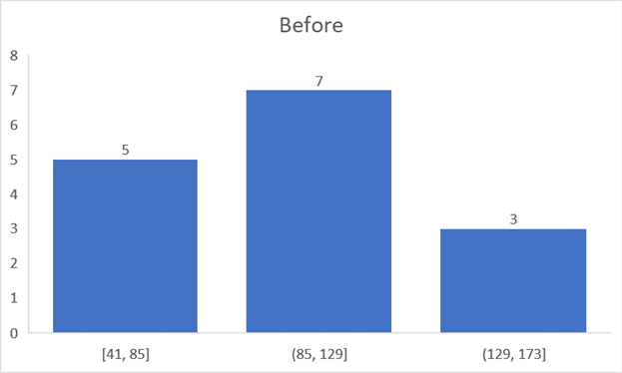
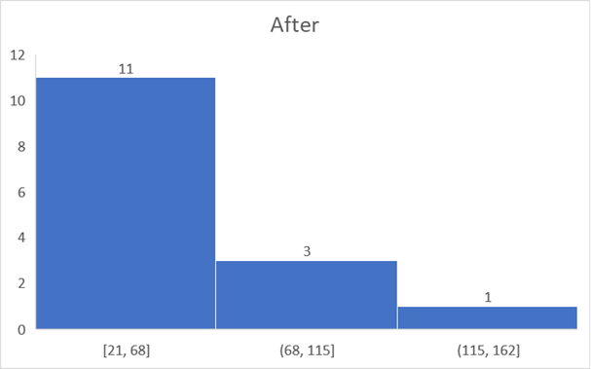

Regression
Time Predicted vs. Actual
SUMMARY OUTPUT |  |  |  |  |  |  |  |  | Day | Predicted | Actual
 |  |  |  |  |  |  |  |  | 1 | 101.74411765 | 127
Regression Statistics |  |  |  |  |  |  |  |  | 2 | 101.74411765 | 111
Multiple R | 0.69791888193 |  |  |  |  |  |  |  | 3 | 101.74411765 | 132
R Square | 0.48709076576 |  |  |  |  |  |  |  | 4 | 101.74411765 | 145
Adjusted R Square | 0.42790893104 |  |  |  |  |  |  |  | 5 | 101.74411765 | 78
Standard Error | 29.979233008 |  |  |  |  |  |  |  | 6 | 101.74411765 | 94
Observations | 30 |  |  |  |  |  |  |  | 7 | 101.74411765 | 88
 |  |  |  |  |  |  |  |  | 8 | 73.582352941 | 120
ANOVA |  |  |  |  |  |  |  |  | 9 | 101.74411765 | 141
 | df | SS | MS | F | Significance F |  |  |  | 10 | 101.74411765 | 113
Regression | 3 | 22191.351961 | 7397.1173203 | 8.2304100246 | 0.00051463780005 |  |  |  | 11 | 101.74411765 | 97
Residual | 26 | 23367.614706 | 898.75441176 |  |  |  |  |  | 12 | 101.74411765 | 53
Total | 29 | 45558.966667 |  |  |  |  |  |  | 13 | 101.74411765 | 77
 |  |  |  |  |  |  |  |  | 14 | 101.74411765 | 41
 | Coefficients | Standard Error | t Stat | P-value | Lower 95% | Upper 95% | Lower 95.0% | Upper 95.0% | 15 | 101.74411765 | 81
Intercept | 73.582352941 | 15.251845427 | 4.8244885049 | 5.3409083705E-05 | 42.231735672 | 104.93297021 | 42.231735672 | 104.93297021 | 16 | 83.497058824 | 102
Plan implementation | -18.247058824 | 17.206402204 | -1.0604807796 | 0.29867836032 | -53.615325088 | 17.121207441 | -53.615325088 | 17.121207441 | 17 | 56.264705882 | 92
Fully Staffed | 28.161764706 | 14.080292953 | 2.0000837198 | 0.056038603154 | -0.78069196458 | 57.104221376 | -0.78069196458 | 57.104221376 | 18 | 56.264705882 | 79
Hitting Goal | -27.232352941 | 16.660027296 | -1.6345923363 | 0.11418616772 | -61.477529497 | 7.0128236151 | -61.477529497 | 7.0128236151 | 19 | 28.102941176 | 21
 |  |  |  |  |  |  |  |  | 20 | 28.102941176 | 46
 | 73.582352941 | -18.247058824 | 28.161764706 | -27.232352941 |  |  |  |  | 21 | 28.102941176 | 35
 |  |  |  |  |  |  |  |  | 22 | 55.335294118 | 41
RESIDUAL OUTPUT |  |  |  |  |  |  |  |  | 23 | 28.102941176 | 26
 |  |  |  |  |  |  |  |  | 24 | 55.335294118 | 37
Observation | Predicted Y | Residuals |  |  |  |  |  |  | 25 | 55.335294118 | 26
1 | 101.74411765 | 25.255882353 |  |  |  |  |  |  | 26 | 56.264705882 | 21
2 | 101.74411765 | 9.2558823529 |  |  |  |  |  |  | 27 | 56.264705882 | 31
3 | 101.74411765 | 30.255882353 |  |  |  |  |  |  | 28 | 83.497058824 | 127
4 | 101.74411765 | 43.255882353 |  |  |  |  |  |  | 29 | 56.264705882 | 38
5 | 101.74411765 | -23.744117647 |  |  |  |  |  |  | 30 | 56.264705882 | 61
6 | 101.74411765 | -7.7441176471
7 | 101.74411765 | -13.744117647
8 | 73.582352941 | 46.417647059
9 | 101.74411765 | 39.255882353
10 | 101.74411765 | 11.255882353
11 | 101.74411765 | -4.7441176471
12 | 101.74411765 | -48.744117647
13 | 101.74411765 | -24.744117647
14 | 101.74411765 | -60.744117647
15 | 101.74411765 | -20.744117647
16 | 83.497058824 | 18.502941176
17 | 56.264705882 | 35.735294118
18 | 56.264705882 | 22.735294118
19 | 28.102941176 | -7.1029411765
20 | 28.102941176 | 17.897058824
21 | 28.102941176 | 6.8970588235
22 | 55.335294118 | -14.335294118
23 | 28.102941176 | -2.1029411765
24 | 55.335294118 | -18.335294118
25 | 55.335294118 | -29.335294118
26 | 56.264705882 | -35.264705882
27 | 56.264705882 | -25.264705882
28 | 83.497058824 | 43.502941176
29 | 56.264705882 | -18.264705882
30 | 56.264705882 | 4.7352941176

Reg w. X2 X3
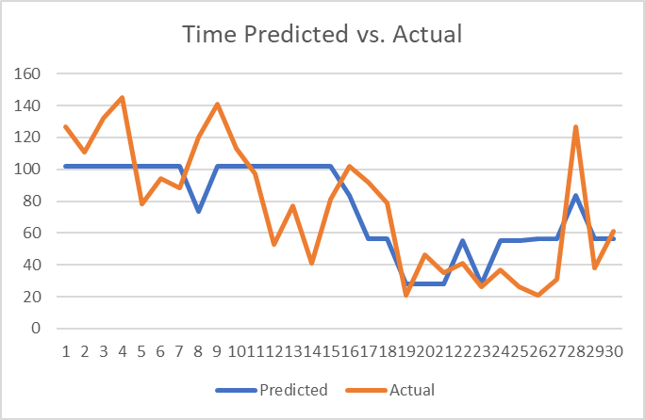
SUMMARY OUTPUT

Regression Statistics
Multiple R | 0.68183948572
R Square | 0.46490508428
Adjusted R Square | 0.42526842386
Standard Error | 30.048338482
Observations | 30

ANOVA
 | df | SS | MS | F | Significance F
Regression | 2 | 21180.595238 | 10590.297619 | 11.729168889 | 0.0002156831067
Residual | 27 | 24378.371429 | 902.9026455
Total | 29 | 45558.966667

 | Coefficients | Standard Error | t Stat | P-value | Lower 95% | Upper 95% | Lower 95.0% | Upper 95.0%
Intercept | 63.807142857 | 12.179244888 | 5.2390064772 | 1.6032431307E-05 | 38.817396528 | 88.796889186 | 38.817396528 | 88.796889186
Fully Staffed | 34.678571429 | 12.697740558 | 2.7310820591 | 0.010985188669 | 8.6249598621 | 60.732182995 | 8.6249598621 | 60.732182995
Hitting Goal | -39.614285714 | 11.911536485 | -3.3257074571 | 0.0025492376659 | -64.054739773 | -15.173831656 | -64.054739773 | -15.173831656

